Profile
 | Amit Deshpande

 | Financial Ratio
 | Analysis Report
( A Comprehensive Summary of Performance and Revenue Breakdown )

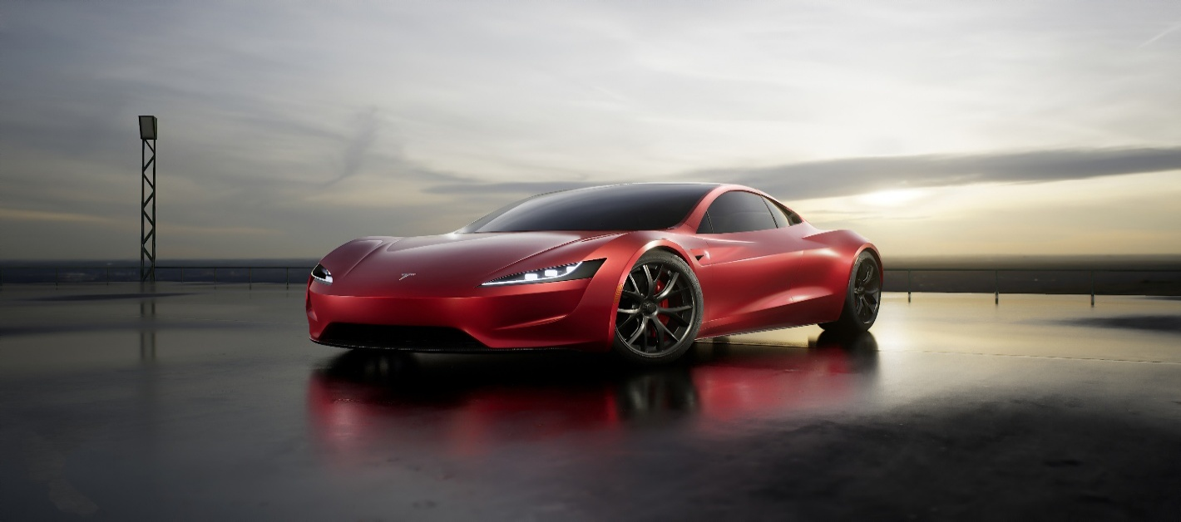

 | TESLA

 | TESLA: (NASDAQ | TSLA)

